Field dataset for vehicle
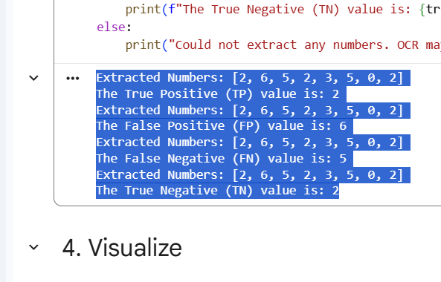

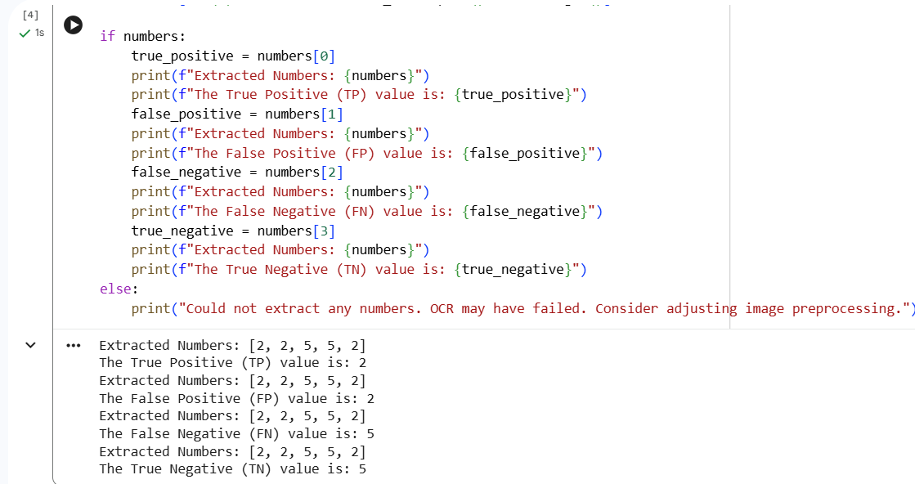
 |  |  | Field Dataset |  |  |  |  |  |  |  |  |  |  |  |  |  |  |  |  |  |  |  |  |  |  | 1 |  | 2 |  | 3 |  |  |  | 4
 |  |  |  |  |  |  |  |  |  |  |  |  |  |  |  |  |  |  |  |  |  |  |  |  | Extracted Numbers: [2, 2, 3, 2, 6, 2, 3, 5, 0, 2] |  | Extracted Numbers: [2, 6, 5, 2, 3, 5, 0, 2] |  | Extracted Numbers: [2, 2, 5, 5, 2] |  |  |  | Extracted Numbers: [2, 2, 5, 5, 2]
 |  | YOLO V5 |  |  |  |  |  |  |  |  | YOLO V5 |  |  |  |  |  |  |  |  |  |  |  |  |  | The True Positive (TP) value is: 2 |  | The True Positive (TP) value is: 2 |  | The True Positive (TP) value is: 2 |  |  |  | The True Positive (TP) value is: 2
 | Precision | Recall | F1-Score | Support |  | Train | val |  |  | mAP50 Accuracy | Precision | Recall | F1-Score |  | mAP50-95 Accuracy | Ratio |  | TP | FP | TN | FN |  | TP Result |  | Extracted Numbers: [2, 2, 3, 2, 6, 2, 3, 5, 0, 2] |  | Extracted Numbers: [2, 6, 5, 2, 3, 5, 0, 2] |  | Extracted Numbers: [2, 2, 5, 5, 2] |  |  |  | Extracted Numbers: [2, 2, 5, 5, 2]
 |  |  |  |  |  | 960 | 240 images | 1 | average | 0.565 | 0.647 | 0.5212 | 0.541 | 3154 | 0.38 | 80-20 | 1 | 2 | 2 | 2 | 3 |  |  |  | The False Positive (FP) value is: 2 |  | The False Positive (FP) value is: 6 |  | The False Positive (FP) value is: 2 |  |  |  | The False Positive (FP) value is: 2
Car | 0.847 | 0.869 | 0.858 | 1277 |  | 840 | 360 images | 2 | average | 0.619 | 0.588 | 0.629 | 0.61 | 5429 | 0.453 | 70-30 | 2 | 2 | 6 | 2 | 5 |  |  |  | Extracted Numbers: [2, 2, 3, 2, 6, 2, 3, 5, 0, 2] |  | Extracted Numbers: [2, 6, 5, 2, 3, 5, 0, 2] |  | Extracted Numbers: [2, 2, 5, 5, 2] |  |  |  | Extracted Numbers: [2, 2, 5, 5, 2]
Motorcycle | 0.773 | 0.719 | 0.745 | 1374 |  | 720 | 480 images | 3 | average | 0.677 | 0.722 | 0.622 | 0.66 | 8792 | 0.464 | 60-40 | 3 | 2 | 2 | 5 | 5 |  |  |  | The False Negative (FN) value is: 3 |  | The False Negative (FN) value is: 5 |  | The False Negative (FN) value is: 5 |  |  |  | The False Negative (FN) value is: 5
Bus | 0.437 | 0.37 | 0.401 | 92 |  | 1080 | 120 images | 4 | average | 0.594 | 0.592 | 0.552 | 0.56 | 1678 | 0.401 | 90-10 | 4 | 2 | 2 | 5 | 5 |  |  |  | Extracted Numbers: [2, 2, 3, 2, 6, 2, 3, 5, 0, 2] |  | Extracted Numbers: [2, 6, 5, 2, 3, 5, 0, 2] |  |  |  |  |  | Extracted Numbers: [2, 2, 5, 5, 2]
Truck | 0.526 | 0.451 | 0.486 | 350 |  |  |  |  |  |  |  |  |  |  |  |  |  |  |  |  |  |  |  |  | The True Negative (TN) value is: 2 |  | The True Negative (TN) value is: 2 |  |  |  |  |  | The True Negative (TN) value is: 5
Bicycle | 0.243 | 0.197 | 0.218 | 61

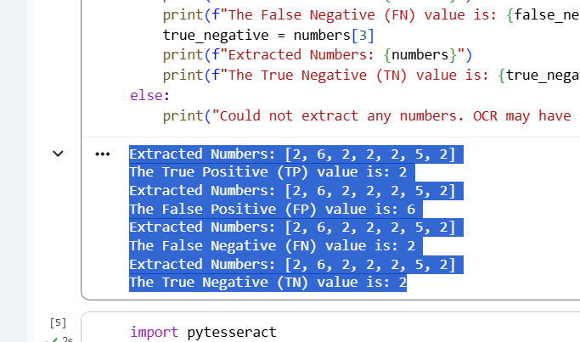
average | 0.565 | 0.521 | 0.541 | 3154 |  |  |  |  |  |  |  |  |  |  |  |  |  |  |  |  |  |  |  |  |  | 1 |  | 2 |  | 3 |  |  |  | 4
 |  |  |  |  |  |  |  | 646.1 |  |  |  |  |  |  |  |  |  |  |  |  |  |  |  |  | Extracted Numbers: [2, 3, 2, 8, 3, 2] |  | Extracted Numbers: [2, 8, 3, 5, 8, 5, 5, 3, 19, 2] |  | Extracted Numbers: [2, 0, 5, 2, 2] |  |  |  | Extracted Numbers: [2, 6, 2, 2, 2, 5, 2]
 | Class | YOLO v5 | YOLO v6 | YOLO v7 | YOLO v8 |  |  | 277 |  |  |  |  |  |  |  |  |  |  |  |  |  |  |  |  | The True Positive (TP) value is: 2 |  | The True Positive (TP) value is: 2 |  | The True Positive (TP) value is: 2 |  |  |  | The True Positive (TP) value is: 2
 | Precission | 0.647 | 0.626 | 0.787 | 0.534 |  |  |  |  |  | YOLO V6 |  |  |  |  |  |  |  |  |  |  |  |  |  | Extracted Numbers: [2, 3, 2, 8, 3, 2] |  | Extracted Numbers: [2, 8, 3, 5, 8, 5, 5, 3, 19, 2] |  | Extracted Numbers: [2, 0, 5, 2, 2] |  |  |  | Extracted Numbers: [2, 6, 2, 2, 2, 5, 2]
 |  | YOLO V6 |  |  |  | Train | val |  |  | mAP50 Accuracy | Precision | Recall | F1-Score |  | mAP50-95 Accuracy | Ratio |  | TP | FP | TN | FN |  | TP Result |  | The False Positive (FP) value is: 3 |  | The False Positive (FP) value is: 8 |  | The False Positive (FP) value is: 0 |  |  |  | The False Positive (FP) value is: 6
 | Precision | Recall | F-Score | Support |  | 960 | 240 images | 1 | average | 0.436 | 0.626 | 0.44 | 0.432 | 3798 | 0.26 | 80-20 | 1 | 2 | 3 | 8 | 2 |  |  |  | Extracted Numbers: [2, 3, 2, 8, 3, 2] |  | Extracted Numbers: [2, 8, 3, 5, 8, 5, 5, 3, 19, 2] |  | Extracted Numbers: [2, 0, 5, 2, 2] |  |  |  | Extracted Numbers: [2, 6, 2, 2, 2, 5, 2]
 |  |  |  |  |  |  |  | 2 | average | 0.421 | 0.659 | 0.379 | 0.41 | 3818 | 0.245 |  | 2 | 2 | 8 | 5 | 3 |  |  |  | The False Negative (FN) value is: 2 |  | The False Negative (FN) value is: 3 |  | The False Negative (FN) value is: 5 |  |  |  | The False Negative (FN) value is: 2
Car | 0.665 | 0.59 | 0.62525896414 | 1501 |  |  |  | 3 | average | 0.43 | 0.615 | 0.432 | 0.423 | 3818 | 0.256 |  | 3 | 2 | 0 | 2 | 5 |  |  |  | Extracted Numbers: [2, 3, 2, 8, 3, 2] |  | Extracted Numbers: [2, 8, 3, 5, 8, 5, 5, 3, 19, 2] |  | Extracted Numbers: [2, 0, 5, 2, 2] |  |  |  | Extracted Numbers: [2, 6, 2, 2, 2, 5, 2]
Motorcycle | 0.644 | 0.552 | 0.59446153846 | 1456 |  |  |  | 4 | average | 0.763 | 0.759 | 0.689 | 0.7 | 3818 | 0.554 |  | 4 | 2 | 6 | 2 | 2 |  |  |  | The True Negative (TN) value is: 8 |  | The True Negative (TN) value is: 5
Bus | 0.263 | 0.42 | 0.32345534407 | 84
Truck | 0.58 | 0.533 | 0.55550763702 | 689
Bicycle | 0.025 | 0.085 | 0.038636363636 | 68
average | 0.4354 | 0.436 | 0.42746396947 | 3798

 | 0.4354 | 0.436 | 0.43569979344



 |  |  |  |  |  |  |  |  |  |  |  |  |  |  |  |  |  |  |  |  |  |  |  |  |  | 1 |  | 2 |  | 3 |  |  |  | 4
 |  |  |  |  |  |  |  |  |  |  |  |  |  |  |  |  |  |  |  |  |  |  |  |  | Extracted Numbers: [3, 6, 5, 5, 2, 2, 0, 2] |  | Extracted Numbers: [2, 3, 2, 2, 5, 40, 2] |  | Extracted Numbers: [2, 3, 2, 2, 5, 2, 5, 2] |  |  |  | Extracted Numbers: [5, 3, 2, 5, 7, 2]
 |  |  |  |  |  |  |  |  |  |  |  |  |  |  |  |  |  |  |  |  |  |  |  |  | The True Positive (TP) value is: 3 |  | The True Positive (TP) value is: 2 |  | The True Positive (TP) value is: 2 |  |  |  | The True Positive (TP) value is: 5
 |  |  |  |  |  |  |  |  |  |  |  |  |  |  |  |  |  |  |  |  |  |  |  |  | Extracted Numbers: [3, 6, 5, 5, 2, 2, 0, 2] |  | Extracted Numbers: [2, 3, 2, 2, 5, 40, 2] |  | Extracted Numbers: [2, 3, 2, 2, 5, 2, 5, 2] |  |  |  | Extracted Numbers: [5, 3, 2, 5, 7, 2]
 |  |  |  |  |  |  |  |  |  |  |  |  |  |  |  |  |  |  |  |  |  |  |  |  | The False Positive (FP) value is: 6 |  | The False Positive (FP) value is: 3 |  | The False Positive (FP) value is: 3 |  |  |  | The False Positive (FP) value is: 3
 |  |  |  |  |  |  |  |  |  |  |  |  |  |  |  |  |  |  |  |  |  |  |  |  | Extracted Numbers: [3, 6, 5, 5, 2, 2, 0, 2] |  | Extracted Numbers: [2, 3, 2, 2, 5, 40, 2] |  | Extracted Numbers: [2, 3, 2, 2, 5, 2, 5, 2] |  |  |  | Extracted Numbers: [5, 3, 2, 5, 7, 2]
 |  | YOLO V7 |  |  |  |  |  |  |  |  | YOLO V7 |  |  |  |  |  |  |  |  |  |  |  |  |  | The False Negative (FN) value is: 5 |  | The False Negative (FN) value is: 2 |  | The False Negative (FN) value is: 2 |  |  |  | The False Negative (FN) value is: 2
 | Precision | Recall | F-Score | Support |  | Train | val |  |  | mAP50 Accuracy | Precision | Recall | F1-Score |  | mAP50-95 Accuracy |  | Ratio |  | TP | FP | TN | FN |  | TP Result | Extracted Numbers: [3, 6, 5, 5, 2, 2, 0, 2] |  | Extracted Numbers: [2, 3, 2, 2, 5, 40, 2] |  | Extracted Numbers: [2, 3, 2, 2, 5, 2, 5, 2] |  |  |  | Extracted Numbers: [5, 3, 2, 5, 7, 2]
 |  |  |  |  |  | 960 | 240 images | 1 | average | 0.794 | 0.787 | 0.714 | 0.75 | 3966 | 0.641 |  | 80-20 | 1 | 3 | 6 | 5 | 5 |  |  | The True Negative (TN) value is: 5 |  | The True Negative (TN) value is: 2 |  | The True Negative (TN) value is: 2 |  |  |  | The True Negative (TN) value is: 5
Car | 0.94 | 0.906 | 0.923 | 1431 | 1431 | 840 | 360 images | 2 | average | 0.781 | 0.691 | 0.774 | 0.73 | 6937 | 0.621 |  | 70-30 | 2 | 2 | 3 | 2 | 2
Motorcycle | 0.937 | 0.876 | 0.905 | 1937 | 1937 | 720 | 480 images | 3 | average | 0.763 | 0.706 | 0.714 | 0.71 | 8792 | 0.608 |  | 60-40 | 3 | 2 | 3 | 2 | 2
Bus | 0.76 | 0.678 | 0.717 | 90 | 90 | 1080 | 120 images | 4 | average | 0.757 | 0.742 | 0.675 | 0.7 | 2177 | 0.6 |  | 90-10 | 4 | 5 | 3 | 5 | 2
Truck | 0.74 | 0.611 | 0.669 | 412 | 412
Bicycle | 0.592 | 0.406 | 0.482 | 96 | 96
average | 0.794 | 0.695 | 0.750 | 3966 | 3966 | 960

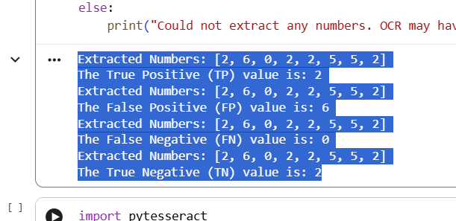
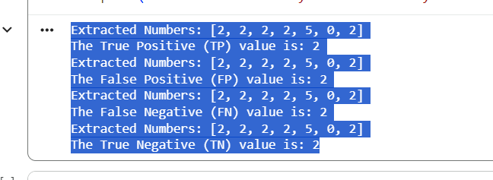
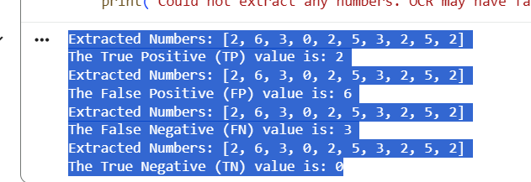
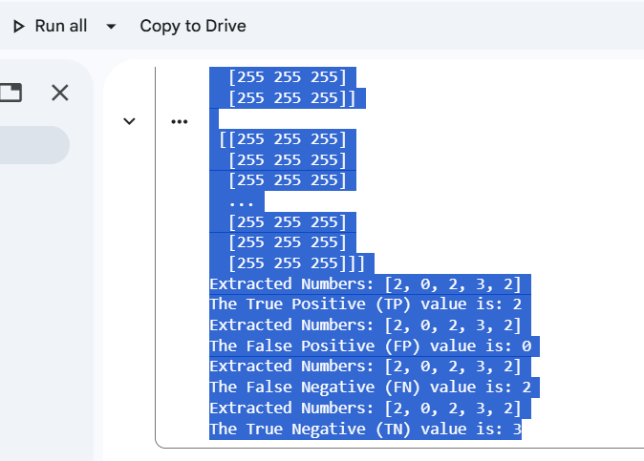
 |  |  |  |  |  |  |  |  |  |  |  |  |  |  |  |  |  |  |  |  |  |  |  |  |  | 1 |  | 2 |  | 3 |  | 4
 |  |  |  |  |  |  |  |  |  |  |  |  |  |  |  |  |  |  |  |  |  |  |  |  | Extracted Numbers: [2, 6, 0, 2, 2, 5, 5, 2] |  | Extracted Numbers: [2, 6, 3, 0, 2, 5, 3, 2, 5, 2] |  | [[[255 255 255] |  | Extracted Numbers: [2, 2, 2, 2, 5, 0, 2]
 |  | YOLO V8 |  |  |  |  |  |  |  |  | YOLO V8 |  |  |  |  |  |  |  |  |  |  |  |  |  | The True Positive (TP) value is: 2 |  | The True Positive (TP) value is: 2 |  | [255 255 255] |  | The True Positive (TP) value is: 2
 | Precision | Recall | F-Score | Support |  | Train | val |  |  | mAP50 Accuracy | Precision | Recall | F1-Score |  | mAP50-95 Accuracy |  | Ratio |  | TP | FP | TN | FN |  |  | Extracted Numbers: [2, 6, 0, 2, 2, 5, 5, 2] |  | Extracted Numbers: [2, 6, 3, 0, 2, 5, 3, 2, 5, 2] |  | [255 255 255] |  | Extracted Numbers: [2, 2, 2, 2, 5, 0, 2]
 |  |  |  |  |  | 960 | 240 images | 1 | average | 0.583 | 0.534 | 0.619 | 0.57 | 2957 | 0.466 |  | 80-20 | 1 | 2 | 6 | 2 | 0 |  |  | The False Positive (FP) value is: 6 |  | The False Positive (FP) value is: 6 |  | ... |  | The False Positive (FP) value is: 2
Car | 0.878 | 0.847 | 0.862 | 1171 |  | 960 | 240 images | 2 | average | 0.561 | 0.531 | 0.597 | 0.57 | 2957 | 0.452 |  | 80-20 | 2 | 2 | 6 | 0 | 3 |  |  | Extracted Numbers: [2, 6, 0, 2, 2, 5, 5, 2] |  | Extracted Numbers: [2, 6, 3, 0, 2, 5, 3, 2, 5, 2] |  | [255 255 255] |  | Extracted Numbers: [2, 2, 2, 2, 5, 0, 2]
Motorcycle | 0.768 | 0.726 | 0.746 | 1322 |  | 840 | 360 images | 3 | average | 0.595 | 0.644 | 0.566 | 0.6 | 5123 | 0.475 |  | 70-30 | 3 | 2 | 0 | 3 | 2 |  |  | The False Negative (FN) value is: 0 |  | The False Negative (FN) value is: 3 |  | [255 255 255] |  | The False Negative (FN) value is: 2
Bus | 0.539 | 0.582 | 0.560 | 91 |  | 1080 | 120 images | 4 | average | 0.598 | 0.582 | 0.596 | 0.57 | 1578 | 0.468 |  | 90-10 | 4 | 2 | 2 | 2 | 2 |  |  | Extracted Numbers: [2, 6, 0, 2, 2, 5, 5, 2] |  | Extracted Numbers: [2, 6, 3, 0, 2, 5, 3, 2, 5, 2] |  | [255 255 255]]
Truck | 0.589 | 0.635 | 0.611 | 348 |  |  |  |  |  |  |  |  |  |  |  |  |  |  |  |  |  |  |  |  | The True Negative (TN) value is: 2 |  | The True Negative (TN) value is: 0
Bicycle | 0.142 | 0.302 | 0.193 | 25 |  |  |  |  |  | 0.582 | 0.659 | 0.5 | 0.56 | 2957 | 0.468 |  | 80-20 |  |  |  |  |  |  |  |  |  |  |  | [[255 255 255]
average | 0.583 | 0.618 | 0.59 | 2957 |  |  |  |  |  |  |  |  |  |  |  |  |  |  |  |  |  |  |  |  |  |  |  |  | [255 255 255]
 |  |  |  |  |  |  |  |  |  |  |  |  |  |  |  |  |  |  |  |  |  |  |  |  |  |  |  |  | [255 255 255]
 |  |  |  |  |  |  |  |  |  |  |  |  |  |  |  |  |  |  |  |  |  |  |  |  |  |  |  |  | ...
 |  |  |  |  |  |  |  |  |  |  |  |  |  |  |  |  |  |  |  |  |  |  |  |  |  |  |  |  | [255 255 255]
 |  |  |  |  |  |  |  |  |  |  |  |  |  |  |  |  |  |  |  |  |  |  |  |  |  |  |  |  | [255 255 255]
 |  |  |  |  |  |  |  |  |  | v8-v7 |  |  |  |  |  |  |  |  |  |  |  |  |  |  |  |  |  |  | [255 255 255]]

 |  |  |  |  |  |  |  |  |  |  |  |  |  |  |  |  |  |  |  |  |  |  |  |  |  |  |  |  | [[255 255 255]
 |  |  |  |  |  |  |  |  |  |  |  |  |  |  |  |  |  |  |  |  |  |  |  |  |  |  |  |  | [255 255 255]
 |  |  |  |  |  |  |  |  |  |  |  |  |  |  |  |  |  |  |  |  |  |  |  |  |  |  |  |  | [255 255 255]
 |  |  |  |  |  |  |  |  |  |  |  |  |  |  |  |  |  |  |  |  |  |  |  |  |  |  |  |  | ...
 |  |  |  |  |  |  |  |  |  |  |  |  |  |  |  |  |  |  |  |  |  |  |  |  |  |  |  |  | [255 255 255]
 |  |  |  |  |  |  |  |  |  |  |  |  |  |  |  |  |  |  |  |  |  |  |  |  |  |  |  |  | [255 255 255]
 |  |  |  |  |  |  |  |  |  |  |  |  |  |  |  |  |  |  |  |  |  |  |  |  |  |  |  |  | [255 255 255]]

 |  |  |  |  |  |  |  |  |  |  |  |  |  |  |  |  |  |  |  |  |  |  |  |  |  |  |  |  | ...

 |  |  |  |  |  |  |  |  |  |  |  |  |  |  |  |  |  |  |  |  |  |  |  |  |  |  |  |  | [[255 255 255]
 |  |  |  |  |  |  |  |  |  |  |  |  |  |  |  |  |  |  |  |  |  |  |  |  |  |  |  |  | [255 255 255]
 |  |  |  |  |  |  |  |  |  |  |  |  |  |  |  |  |  |  |  |  |  |  |  |  |  |  |  |  | [255 255 255]
 |  |  |  |  |  |  |  |  |  |  |  |  |  |  |  |  |  |  |  |  |  |  |  |  |  |  |  |  | ...
 |  |  |  |  |  |  |  |  |  |  |  |  |  |  |  |  |  |  |  |  |  |  |  |  |  |  |  |  | [255 255 255]
 |  |  |  |  |  |  |  |  |  |  |  |  |  |  |  |  |  |  |  |  |  |  |  |  |  |  |  |  | [255 255 255]
 |  |  |  |  |  |  |  |  |  |  |  |  |  |  |  |  |  |  |  |  |  |  |  |  |  |  |  |  | [255 255 255]]

 |  |  |  |  |  |  |  |  |  |  |  |  |  |  |  |  |  |  |  |  |  |  |  |  |  |  |  |  | [[255 255 255]
 |  |  |  |  |  |  |  |  |  |  |  |  |  |  |  |  |  |  |  |  |  |  |  |  |  |  |  |  | [255 255 255]
 |  |  |  |  |  |  |  |  |  |  |  |  |  |  |  |  |  |  |  |  |  |  |  |  |  |  |  |  | [255 255 255]
 |  |  |  |  |  |  |  |  |  |  |  |  |  |  |  |  |  |  |  |  |  |  |  |  |  |  |  |  | ...
 |  |  |  |  |  |  |  |  |  |  |  |  |  |  |  |  |  |  |  |  |  |  |  |  |  |  |  |  | [255 255 255]
 |  |  |  |  |  |  |  |  |  |  |  |  |  |  |  |  |  |  |  |  |  |  |  |  |  |  |  |  | [255 255 255]
 |  |  |  |  |  |  |  |  |  |  |  |  |  |  |  |  |  |  |  |  |  |  |  |  |  |  |  |  | [255 255 255]]

 |  |  |  |  |  |  |  |  |  |  |  |  |  |  |  |  |  |  |  |  |  |  |  |  |  |  |  |  | [[255 255 255]
 |  |  |  |  |  |  |  |  |  |  |  |  |  |  |  |  |  |  |  |  |  |  |  |  |  |  |  |  | [255 255 255]
 |  |  |  |  |  |  |  |  |  |  |  |  |  |  |  |  |  |  |  |  |  |  |  |  |  |  |  |  | [255 255 255]
 |  |  |  |  |  |  |  |  |  |  |  |  |  |  |  |  |  |  |  |  |  |  |  |  |  |  |  |  | ...
 |  |  |  |  |  |  |  |  |  |  |  |  |  |  |  |  |  |  |  |  |  |  |  |  |  |  |  |  | [255 255 255]
 |  |  |  |  |  |  |  |  |  |  |  |  |  |  |  |  |  |  |  |  |  |  |  |  |  |  |  |  | [255 255 255]
 |  |  |  |  |  |  |  |  |  |  |  |  |  |  |  |  |  |  |  |  |  |  |  |  |  |  |  |  | [255 255 255]]]
 |  |  |  |  |  |  |  |  |  |  |  |  |  |  |  |  |  |  |  |  |  |  |  |  |  |  |  |  | Extracted Numbers: [2, 0, 2, 3, 2]
 |  |  |  |  |  |  |  |  |  |  |  |  |  |  |  |  |  |  |  |  |  |  |  |  |  |  |  |  | The True Positive (TP) value is: 2
 |  |  |  |  |  |  |  |  |  |  |  |  |  |  |  |  |  |  |  |  |  |  |  |  |  |  |  |  | Extracted Numbers: [2, 0, 2, 3, 2]
 |  |  |  |  |  |  |  |  |  |  |  |  |  |  |  |  |  |  |  |  |  |  |  |  |  |  |  |  | The False Positive (FP) value is: 0
 |  |  |  |  |  |  |  |  |  |  |  |  |  |  |  |  |  |  |  |  |  |  |  |  |  |  |  |  | Extracted Numbers: [2, 0, 2, 3, 2]
 |  |  |  |  |  |  |  |  |  |  |  |  |  |  |  |  |  |  |  |  |  |  |  |  |  |  |  |  | The False Negative (FN) value is: 2
 |  |  |  |  |  |  |  |  |  |  |  |  |  |  |  |  |  |  |  |  |  |  |  |  |  |  |  |  | Extracted Numbers: [2, 0, 2, 3, 2]
 |  |  |  |  |  |  |  |  |  |  |  |  |  |  |  |  |  |  |  |  |  |  |  |  |  |  |  |  | The True Negative (TN) value is: 3

Standard dataset for vehicle
 |  |  | Standard dataset |  |  |  |  |  |  |  |  |  |  |  |  |  |  |  |  |  |  |  | 1 |  | 2 |  |  | 3 |  |  | 4
 |  |  |  |  |  |  |  |  |  | YOLO V5
 |  | YOLO V5
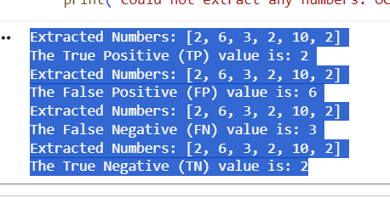
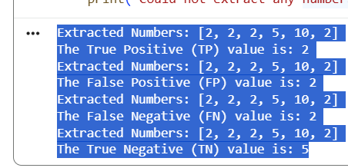
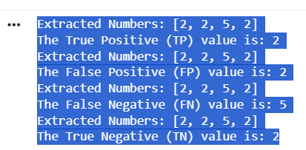
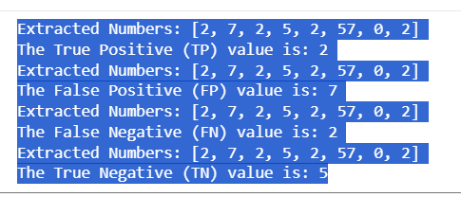
 | Precision | Recall | F-Score | Support | Train | val |  |  | mAP50 Accuracy | Precision | Recall | F1-Score |  | mAP50-95 Accuracy | Ratio |  |  | TP | FP | TN | FN | TP Result | Extracted Numbers: [2, 6, 3, 2, 10, 2] |  | Extracted Numbers: [2, 2, 2, 5, 10, 2] |  | Extracted Numbers: [2, 2, 5, 2] |  | Extracted Numbers: [2, 7, 2, 5, 2, 57, 0, 2]
 |  |  |  |  | 738 | 185 images | 1 | average | 0.824 | 0.839 | 0.76 | 0.79 | 1645 | 0.589 | 80-20 |  | 1 | 2 | 6 | 2 | 3 |  | The True Positive (TP) value is: 2 |  | The True Positive (TP) value is: 2 |  | The True Positive (TP) value is: 2 |  | The True Positive (TP) value is: 2
Car | 0.924 | 0.878 | 0.900 | 1061 | 738 | 185 images | 2 | average | 0.854 | 0.869 | 0.807 | 0.84 | 1161 | 0.634 | 80-20 |  | 2 | 2 | 2 | 5 | 2 |  | Extracted Numbers: [2, 6, 3, 2, 10, 2] |  | Extracted Numbers: [2, 2, 2, 5, 10, 2] |  | Extracted Numbers: [2, 2, 5, 2] |  | Extracted Numbers: [2, 7, 2, 5, 2, 57, 0, 2]
Motorcycle | 0.867 | 0.838 | 0.852 | 271 | 646 | 277 images | 3 | average | 0.657 | 0.759 | 0.563 | 0.64 | 4605 | 0.454 | 70-30 |  | 3 | 2 | 2 | 2 | 5 |  | The False Positive (FP) value is: 6 |  | The False Positive (FP) value is: 2 |  | The False Positive (FP) value is: 2 |  | The False Positive (FP) value is: 7
Bus | 0.849 | 0.827 | 0.838 | 110 | 830 | 93 images | 4 | average | 0.805 | 0.828 | 0.753 | 0.78 | 1108 | 0.573 | 90-10 |  | 4 | 2 | 7 | 5 | 2 |  | Extracted Numbers: [2, 6, 3, 2, 10, 2] |  | Extracted Numbers: [2, 2, 2, 5, 10, 2] |  | Extracted Numbers: [2, 2, 5, 2] |  | Extracted Numbers: [2, 7, 2, 5, 2, 57, 0, 2]
Truck | 0.655 | 0.498 | 0.566 | 203 |  |  |  |  |  |  |  |  |  |  |  |  |  |  |  |  |  |  | The False Negative (FN) value is: 3 |  | The False Negative (FN) value is: 2 |  | The False Negative (FN) value is: 5 |  | The False Negative (FN) value is: 2
Bicycle |  |  |  | 0 |  |  |  |  |  |  |  |  |  |  |  |  |  |  |  |  |  |  |  |  | Extracted Numbers: [2, 2, 2, 5, 10, 2] |  | Extracted Numbers: [2, 2, 5, 2] |  | Extracted Numbers: [2, 7, 2, 5, 2, 57, 0, 2]
average | 0.824 | 0.760 | 0.789 | 1645
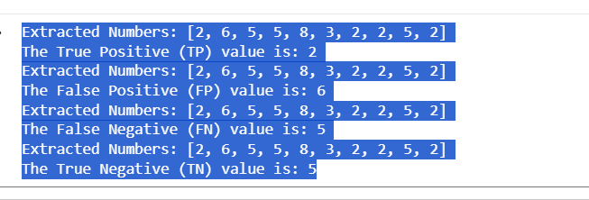
 |  |  |  |  |  |  |  |  |  |  |  |  |  |  |  |  |  |  |  |  |  |  |  |  |  |  |  | 3 |  |  | 4
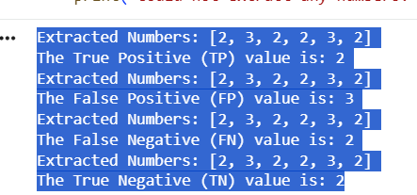
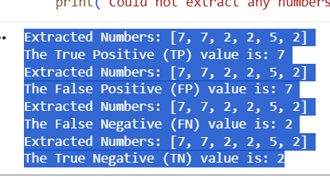
 |  |  |  |  | 554 |  |  |  |  |  |  |  |  |  |  |  |  |  |  |  |  |  | 1 |  | 2
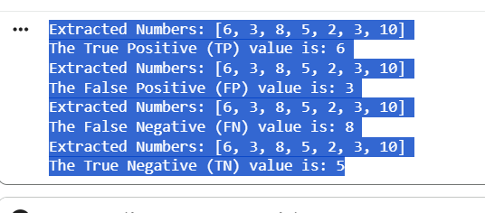
 |  |  |  |  | 369.2 |  |  |  |  |  |  |  |  |  |  |  |  |  |  |  |  |  | Extracted Numbers: [2, 3, 2, 2, 3, 2] |  | Extracted Numbers: [7, 7, 2, 2, 5, 2] |  | Extracted Numbers: [6, 3, 8, 5, 2, 3, 10] |  |  | Extracted Numbers: [2, 6, 5, 5, 8, 3, 2, 2, 5, 2]
 |  |  |  |  |  |  |  |  |  |  |  |  |  |  |  |  |  |  |  |  |  |  | The True Positive (TP) value is: 2 |  | The True Positive (TP) value is: 7 |  | The True Positive (TP) value is: 6 |  |  | The True Positive (TP) value is: 2
 |  |  |  |  |  |  |  |  |  | YOLO V6 |  |  |  |  |  |  |  |  |  |  |  |  | Extracted Numbers: [2, 3, 2, 2, 3, 2] |  | Extracted Numbers: [7, 7, 2, 2, 5, 2] |  | Extracted Numbers: [6, 3, 8, 5, 2, 3, 10] |  |  | Extracted Numbers: [2, 6, 5, 5, 8, 3, 2, 2, 5, 2]
 | YOLO v5 | YOLO v6 | YOLO v7 | YOLO v8 | Train | val |  |  | mAP50 Accuracy | Precision | Recall | F1-Score |  | mAP50-95 Accuracy | Ratio |  |  | TP | FP | TN | FN | TP Result | The False Positive (FP) value is: 3 |  | The False Positive (FP) value is: 7 |  | The False Positive (FP) value is: 3 |  |  | The False Positive (FP) value is: 6
 | 0.839 | 0.644 | 0.875 | 0.753 | 738 | 185 images | 1 | average | 0.503 | 0.644 | 0.453 | 0.521 | 1645 | 0.289 | 80-20 |  | 1 | 2 | 3 | 2 | 2 |  | Extracted Numbers: [2, 3, 2, 2, 3, 2] |  | Extracted Numbers: [7, 7, 2, 2, 5, 2] |  | Extracted Numbers: [6, 3, 8, 5, 2, 3, 10] |  |  | Extracted Numbers: [2, 6, 5, 5, 8, 3, 2, 2, 5, 2]
 |  |  |  |  |  |  | 2 | average | 0.518 | 0.618 | 0.484 | 0.534 | 1645 | 0.296 |  |  | 2 | 7 | 7 | 2 | 2 |  | The False Negative (FN) value is: 2 |  | The False Negative (FN) value is: 2 |  | The False Negative (FN) value is: 8 |  |  | The False Negative (FN) value is: 5
 |  |  |  |  | 646 | 277 images | 3 | average | 0.362 | 0.526 | 0.354 | 0.414 | 4605 | 0.19 | 70-30 |  | 3 | 6 | 3 | 5 | 8 |  | Extracted Numbers: [2, 3, 2, 2, 3, 2] |  | Extracted Numbers: [7, 7, 2, 2, 5, 2] |  | Extracted Numbers: [6, 3, 8, 5, 2, 3, 10] |  |  | Extracted Numbers: [2, 6, 5, 5, 8, 3, 2, 2, 5, 2]
 |  |  |  |  | 830 | 93 images | 4 | average | 0.81 | 0.929 | 0.714 | 0.8 | 1108 | 0.533 | 90-10 |  | 4 | 2 | 6 | 5 | 5 |  | The True Negative (TN) value is: 2 |  |  |  | The True Negative (TN) value is: 5
 |  |  |  |  |  |  |  |  |  |  |  |  |  |  | 60-40
 |  |  |  |  | 554 | 369 images
 | Precision | Recall | F-Score | Support | 646 | 277 images | 5 | average |  |  |  |  |  |  | 90-10


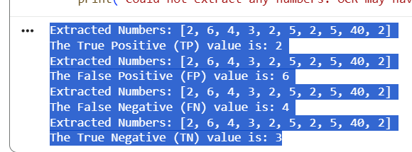
Car | 0.762 | 0.653 | 0.703 | 1061
Motorcycle | 0.566 | 0.565 | 0.565 | 271
Bus | 0.302 | 0.693 | 0.421 | 110 |  |  |  |  |  |  |  |  |  |  |  |  |  |  |  |  |  |  |  | 1 |  | 2 |  | 3 |  |  | 4
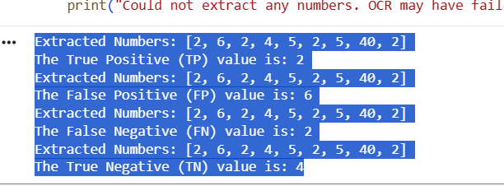
Truck | 0.382 | 0.307 | 0.340 | 203 |  |  |  |  |  |  |  |  |  |  |  |  |  |  |  |  |  |  | Extracted Numbers: [2, 8, 4, 7, 3, 2, 5, 2, 3, 3, 2] |  | Extracted Numbers: [2, 8, 3, 2, 2, 5, 2] |  |  | Extracted Numbers: [2, 6, 2, 4, 5, 2, 5, 40, 2] |  | Extracted Numbers: [2, 6, 4, 3, 2, 5, 2, 5, 40, 2]
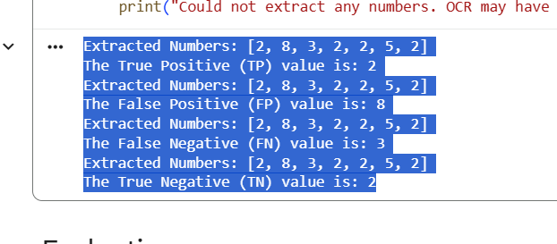
Bicycle |  |  |  |  |  |  |  |  |  |  |  |  |  |  |  |  |  |  |  |  |  |  | The True Positive (TP) value is: 2 |  | The True Positive (TP) value is: 2 |  |  | The True Positive (TP) value is: 2 |  | The True Positive (TP) value is: 2
average | 0.503 | 0.5545 | 0.507 | 1645 |  |  |  |  |  |  |  |  |  |  |  |  |  |  |  |  |  |  | Extracted Numbers: [2, 8, 4, 7, 3, 2, 5, 2, 3, 3, 2] |  | Extracted Numbers: [2, 8, 3, 2, 2, 5, 2] |  |  | Extracted Numbers: [2, 6, 2, 4, 5, 2, 5, 40, 2] |  | Extracted Numbers: [2, 6, 4, 3, 2, 5, 2, 5, 40, 2]
 |  |  |  |  |  |  |  |  |  |  |  |  |  |  |  |  |  |  |  |  |  |  | The False Positive (FP) value is: 8 |  | The False Positive (FP) value is: 8 |  |  | The False Positive (FP) value is: 6 |  | The False Positive (FP) value is: 6
 |  |  |  |  |  |  |  |  |  | YOLO V7 |  |  |  |  |  |  |  |  |  |  |  |  | Extracted Numbers: [2, 8, 4, 7, 3, 2, 5, 2, 3, 3, 2] |  | Extracted Numbers: [2, 8, 3, 2, 2, 5, 2] |  |  | Extracted Numbers: [2, 6, 2, 4, 5, 2, 5, 40, 2] |  | Extracted Numbers: [2, 6, 4, 3, 2, 5, 2, 5, 40, 2]
 |  |  |  |  | Train | val |  |  | mAP50 Accuracy | Precision | Recall | F1-Score |  | mAP50-95 Accuracy | Ratio |  |  | TP | FP | TN | FN | TP Result | The False Negative (FN) value is: 4 |  | The False Negative (FN) value is: 3 |  |  | The False Negative (FN) value is: 2 |  | The False Negative (FN) value is: 4
 |  | YOLO V7 |  |  | 738 | 185 images | 1 | average | 0.861 | 0.875 | 0.78 | 0.82 | 2321 | 0.659 | 80-20 |  | 1 | 2 | 8 | 7 | 4 |  | Extracted Numbers: [2, 8, 4, 7, 3, 2, 5, 2, 3, 3, 2] |  | Extracted Numbers: [2, 8, 3, 2, 2, 5, 2] |  |  | Extracted Numbers: [2, 6, 2, 4, 5, 2, 5, 40, 2] |  | Extracted Numbers: [2, 6, 4, 3, 2, 5, 2, 5, 40, 2]
 | Precision | Recall | F-Score | Support | 738 | 185 images | 2 | average | 0.888 | 0.863 | 0.803 | 0.83 | 1971 | 0.695 | 80-20 |  | 2 | 2 | 8 | 2 | 3 |  |  |  | The True Negative (TN) value is: 2 |  |  | The True Negative (TN) value is: 4
 |  |  |  |  | 830 | 93 images | 3 | average | 0.846 | 0.813 | 0.805 | 0.824 | 3516 | 0.622 | 70-30 |  | 3 | 2 | 6 | 4 | 2
Car | 0.965 | 0.91 | 0.937 | 1541 | 646 | 277 images | 4 | average | 0.928 | 0.904 | 0.862 | 0.88 | 1108 | 0.697 | 90-10 |  | 4 | 2 | 6 | 3 | 4
Motorcycle | 0.915 | 0.844 | 0.878 | 244
Bus | 0.871 | 0.757 | 0.810 | 198
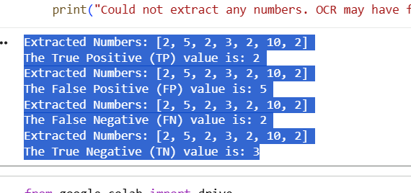
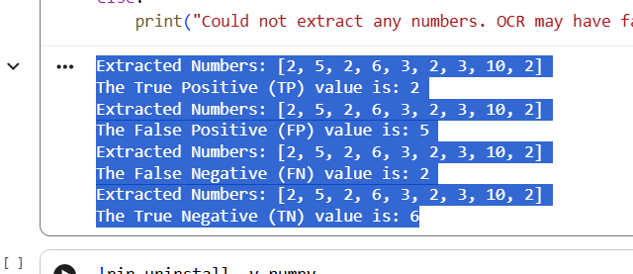
Truck | 0.818 | 0.727 | 0.770 | 282
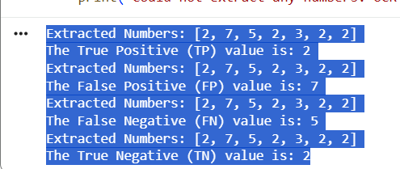
Bicycle | 0.735 | 0.661 | 0.696 | 56 |  |  |  |  |  |  |  |  |  |  |  |  |  |  |  |  |  |  |  | 1 |  | 2 |  | 3 |  |  | 4
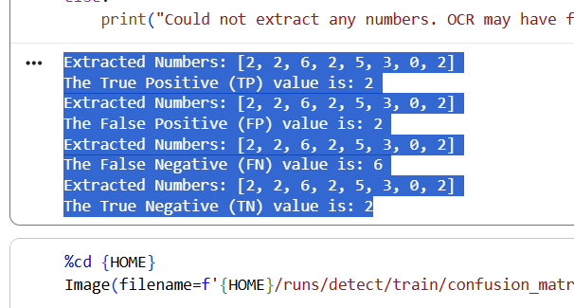
average | 0.861 | 0.780 | 0.818 | 2321 |  |  |  |  |  |  |  |  |  |  |  |  |  |  |  |  |  |  | Extracted Numbers: [2, 2, 6, 2, 5, 3, 0, 2] |  |  | Extracted Numbers: [2, 7, 5, 2, 3, 2, 2] |  | Extracted Numbers: [2, 5, 2, 3, 2, 10, 2] |  | Extracted Numbers: [2, 5, 2, 6, 3, 2, 3, 10, 2]
 |  |  |  |  |  |  |  |  |  |  |  |  |  |  |  |  |  |  |  |  |  |  | The True Positive (TP) value is: 2 |  |  | The True Positive (TP) value is: 2 |  | The True Positive (TP) value is: 2 |  | The True Positive (TP) value is: 2
 |  |  |  |  |  |  |  |  |  | YOLO V8 |  |  |  |  |  |  |  |  |  |  |  |  | Extracted Numbers: [2, 2, 6, 2, 5, 3, 0, 2] |  |  | Extracted Numbers: [2, 7, 5, 2, 3, 2, 2] |  | Extracted Numbers: [2, 5, 2, 3, 2, 10, 2] |  | Extracted Numbers: [2, 5, 2, 6, 3, 2, 3, 10, 2]
 |  |  |  |  |  | val |  |  | mAP50 Accuracy | Precision | Recall | F1-Score |  | mAP50-95 Accuracy | Ratio |  |  | TP | FP | TN | FN | TP Result | The False Positive (FP) value is: 2 |  |  | The False Positive (FP) value is: 7 |  | The False Positive (FP) value is: 5 |  | The False Positive (FP) value is: 5
 |  | YOLO V8 |  |  | 738 | 185 images | 1 | average | 0.773 | 0.753 | 0.722 | 0.74 | 2012 | 0.611 | 80-20 |  | 1 | 2 | 2 | 2 | 6 |  | Extracted Numbers: [2, 2, 6, 2, 5, 3, 0, 2] |  |  | Extracted Numbers: [2, 7, 5, 2, 3, 2, 2] |  | Extracted Numbers: [2, 5, 2, 3, 2, 10, 2] |  | Extracted Numbers: [2, 5, 2, 6, 3, 2, 3, 10, 2]
 | Precision | Recall | F-Score | Support | 738 | 185 images | 2 | average | 0.875 | 0.851 | 0.808 | 0.83 | 1645 | 0.678 | 80-20 |  | 2 | 2 | 7 | 2 | 5 |  | The False Negative (FN) value is: 6 |  |  | The False Negative (FN) value is: 5 |  | The False Negative (FN) value is: 2 |  | The False Negative (FN) value is: 2
 |  |  |  |  | 646 | 277 images | 3 | average | 0.720 | 0.791 | 0.613 | 0.690 | 4605 | 0.512 | 70-30 |  | 3 | 2 | 5 | 3 | 2 |  | Extracted Numbers: [2, 2, 6, 2, 5, 3, 0, 2] |  |  | Extracted Numbers: [2, 7, 5, 2, 3, 2, 2] |  | Extracted Numbers: [2, 5, 2, 3, 2, 10, 2] |  | Extracted Numbers: [2, 5, 2, 6, 3, 2, 3, 10, 2]
Car | 0.932 | 0.867 | 0.898 | 1406 | 830 | 93 images | 4 | average | 0.659 | 0.815 | 0.606 | 0.67 | 1108 | 0.419 | 90-10 |  | 4 | 2 | 5 | 6 | 2 |  | The True Negative (TN) value is: 2 |  |  |  |  | The True Negative (TN) value is: 3 |  | The True Negative (TN) value is: 6
Motorcycle | 0.817 | 0.727 | 0.769 | 183
Bus | 0.811 | 0.736 | 0.772 | 163 | 554 | 369 images |  |  |  |  |  |  |  |  | 60-40
Truck | 0.717 | 0.692 | 0.704 | 215
Bicycle | 0.587 | 0.573 | 0.580 | 45
average | 0.773 | 0.719 | 0.745 | 2012

 |  |  |  |  |  |  |  |  | v8-v7 | -0.088 |  | v8-v6 | 0.270 |  | v8-v5 | -0.051
 |  |  |  |  |  |  |  |  |  | -0.013 |  |  | 0.357 |  |  | 0.021
 |  |  |  |  |  |  |  |  |  | -0.126 |  |  | 0.358 |  |  | 0.063
 |  |  |  |  |  |  |  |  |  | -0.269 |  |  | -0.151 |  |  | -0.146

charts
Yolo v5 Results

 |  | Train1 | Train2 | Train3 | Train4
Accuracy (mAP@0.5) |  | 0.824 | 0.854 | 0.657 | 0.805
Accuracy (mAP@0.5:0.95) |  | 0.589 | 0.634 | 0.454 | 0.573
TP |  | 2 | 2 | 2 | 2
FP |  | 6 | 2 | 2 | 7
FN |  | 3 | 2 | 5 | 2
TN |  | 2 | 5 | 2 | 5
Model YOLOv5 | Accuracy (mAP@0.5) | Accuracy (mAP@0.5:0.95) | Precision | Recall | F1-Score | TP | FP | FN | TN

Train1 | 0.824 | 0.589 | 0.839 | 0.76 | 0.79 | 2 | 6 | 3 | 2
Train2 | 0.854 | 0.634 | 0.869 | 0.807 | 0.84 | 2 | 2 | 2 | 5
Train3 | 0.657 | 0.454 | 0.759 | 0.563 | 0.64 | 2 | 2 | 5 | 2
Train4 | 0.805 | 0.573 | 0.828 | 0.753 | 0.78 | 2 | 7 | 2 | 5

 | TP | FP | FN | TN
Train1 | 2 | 6 | 3 | 2
Train2 | 2 | 2 | 2 | 5
Train3 | 2 | 2 | 5 | 2
Train4 | 2 | 7 | 2 | 5

